Print Page 1
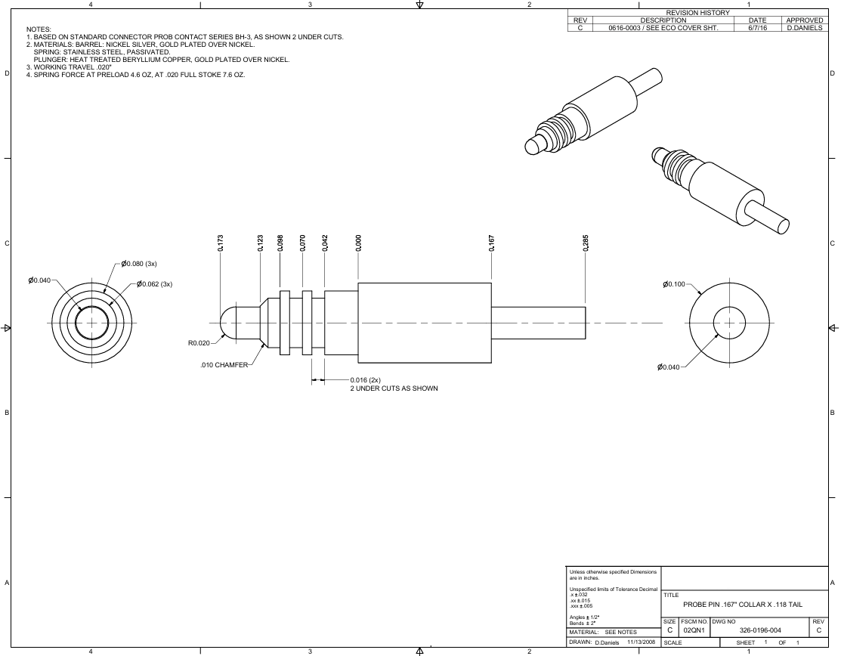

9
7
8
6
5

3
13
4
12
1

14

10
15
2

11

Tolerance Table
